Graph
Nodes | Edges |  |  |  |  | Graphviz Visual Editor (magjac.com) | TODO: Tooltips for edges, Colr & style for edges, shapes for other types | Graph Properties
Body | Node1 | Node2 | Relationship | Complement | Edge Type | graph StructureSet { |  | Property | Value
GTV | Body | GTV | Contains | #REF! | #REF! | graph [labelloc = t, |  | labelloc | t
CTV | Body | CTV | Contains | #REF! | #REF! | clusterrank=none, |  | clusterrank | "none"
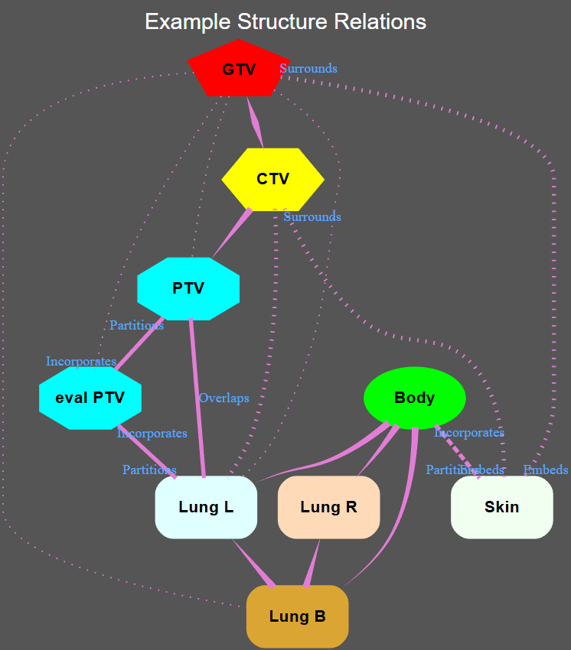
PTV | Body | PTV | Contains | #REF! | #REF! | bgcolor="#555555", |  | bgcolor | "#555555"
eval_PTV | Body | eval_PTV | Contains | #REF! | #REF! | fontname = "Helvetica,Arial,sans-serif", |  | fontname | HelveticaArialsans-serif
Skin | Body | Skin | Confines | #REF! | #REF! | fontsize = 16, |  | fontsize | 16
Lung_L | Body | Lung_L | Contains | #REF! | #REF! | fontcolor = "white" |  | fontcolor | white
Lung_R | Body | Lung_R | Contains | #REF! | #REF! | ]
Lung_B | Body | Lung_B | Contains | #REF! | #REF! | node [fixedsize = "shape",
 | GTV | CTV | Equals | #REF! | #REF! | width = 1,
 | GTV | PTV | Within | #REF! | #REF! | height = .6,
 | GTV | eval_PTV | Within | #REF! | #REF! | fontname = "Helvetica-Bold",
 | GTV | Skin | Embeds | #REF! | #REF! | fontsize = 12,
 | GTV | Lung_L | Within | #REF! | #REF! | labelloc = "c",
 | GTV | Lung_R | Disjoint | #REF! | #REF! | penwidth = 3,
 | GTV | Lung_B | Within | #REF! | #REF! | style="filled",
 | CTV | PTV | Contains | #REF! | #REF! | fontcolor = "black"
 | CTV | eval_PTV | Within | #REF! | #REF! | ]
 | CTV | Skin | Embeds | #REF! | #REF! | edge [color = "#e27dd6ff",
 | CTV | Lung_L | Within | #REF! | #REF! | penwidth = 3,
 | CTV | Lung_R | Disjoint | #REF! | #REF! | style = "solid",
 | CTV | Lung_B | Within | #REF! | #REF! | arrowhead = "none",
 | PTV | eval_PTV | Incorporates | #REF! | #REF! | arrowtail = "none",
 | PTV | Skin | Embeds | #REF! | #REF! | labelfloat=false,
 | PTV | Lung_L | Overlaps | #REF! | #REF! | labelfontname = "Times",
 | PTV | Lung_R | Disjoint | #REF! | #REF! | fontcolor = "#55AAFF",
 | PTV | Lung_B | Overlaps | #REF! | #REF! | fontsize = "10"
 | eval_PTV | Skin | Embeds | #REF! | #REF! | ]
 | eval_PTV | Lung_L | Partitions | #REF! | #REF! | subgraph Targets {
 | eval_PTV | Lung_R | Disjoint | #REF! | #REF! | cluster = true;
 | eval_PTV | Lung_B | Within | #REF! | #REF! | GTV [class = "Target", shape = "pentagon", color = "#ff0000", label = "GTV"]
 | Skin | Lung_L | Disjoint | #REF! | #REF! | CTV [class= "Target", shape = "hexagon", color = "#FFFF00" label = "CTV"]
 | Skin | Lung_R | Disjoint | #REF! | #REF! | PTV [class= "Target", shape = "octagon", color = "#00FFFF", label = "PTV"]
 | Skin | Lung_B | Disjoint | #REF! | #REF! | eval_PTV [class= "Target", shape = "octagon" color = "#00FFFF" label = "eval PTV"]
 | Lung_L | Lung_R | Disjoint | #REF! | #REF! | }
 | Lung_L | Lung_B | Within | #REF! | #REF! | subgraph OAR {cluster = true;
 | Lung_R | Lung_B | Within | #REF! | #REF! | node [shape = "rectangle" style="rounded, filled"]
 |  |  |  |  |  | Lung_L [class= "OAR", color = "#E0FFFF", label = "Lung L"]
 |  |  |  |  |  | Lung_R [class= "OAR", color = "#FFDAB9" label = "Lung R"]
 |  |  |  |  |  | Lung_B [class= "OAR", color = "#DAA532", label = "Lung B"]
 |  |  |  |  |  | Skin [class= "OAR", color = "#F0FFF0", label = "Skin"]
 |  |  |  |  |  | }
 |  |  |  |  |  | subgraph External {cluster = true;
 |  |  |  |  |  | Body [class= "External", shape = "oval", color = "#00ff00", label = "Body"]
 |  |  |  |  |  | }
 |  |  |  |  |  | graph [label = "Example Structure Relations\n"]

 |  |  |  |  |  | GTV -- CTV [class = "Equals", style = "tapered", penwidth="5", dir=both]
 |  |  |  |  |  | GTV -- PTV [class = "Contain", style = "dotted", penwidth=1]
 |  |  |  |  |  | GTV -- eval_PTV [class = "Contain", style = "dotted", penwidth=1]
 |  |  |  |  |  | GTV -- Skin [class = "Island", style = "dotted", headlabel="Embeds", taillabel="Surrounds"]
 |  |  |  |  |  | GTV -- Lung_L [class = "Contain", style = "dotted", penwidth=1]
 |  |  |  |  |  | GTV -- Lung_B [class = "Contain", style = "dotted", penwidth=1]
 |  |  |  |  |  | CTV -- PTV [class = "Contain", style = "tapered", penwidth="5", dir=forward]
 |  |  |  |  |  | #CTV -- eval_PTV [label="Contain"]
 |  |  |  |  |  | CTV -- Skin [class = "Island", style = "dotted", headlabel="Embeds", taillabel="Surrounds"]
 |  |  |  |  |  | CTV -- Lung_L [class = "Contain", style = "dotted",]
 |  |  |  |  |  | #CTV -- Lung_B [label="Contain"]
 |  |  |  |  |  | PTV -- eval_PTV [class = "Group", style = "solid", headlabel="Incorporates", taillabel="Partitions"]
 |  |  |  |  |  | #PTV -- Skin [label="Island"]
 |  |  |  |  |  | PTV -- Lung_L [label="Overlaps", style = "bold"]
 |  |  |  |  |  | #PTV -- Lung_B [label="Overlaps"]
 |  |  |  |  |  | #eval_PTV -- Skin [label="Island"]
 |  |  |  |  |  | eval_PTV -- Lung_L [class = "Group", style = "solid", headlabel="Partitions", taillabel="Incorporates"]
 |  |  |  |  |  | #eval_PTV -- Lung_B [label="Contain"]
 |  |  |  |  |  | Lung_L -- Lung_B [class = "Contain", style = "tapered", penwidth="5", dir=back]
 |  |  |  |  |  | Lung_R -- Lung_B [class = "Contain", style = "tapered", penwidth="5", dir=back]
 |  |  |  |  |  | #Body -- GTV [label="Contain"]
 |  |  |  |  |  | #Body -- CTV [label="Contain"]
 |  |  |  |  |  | #Body -- PTV [label="Contain"]
 |  |  |  |  |  | #Body -- eval_PTV [label="Contain"]
 |  |  |  |  |  | Body -- Skin [class = "Cut-out", style = "dashed", headlabel="Partitions", taillabel="Incorporates"]
 |  |  |  |  |  | Body -- Lung_L [class = "Contain", style = "tapered", penwidth="5", dir=forward]
 |  |  |  |  |  | Body -- Lung_R [class = "Contain", style = "tapered", penwidth="5", dir=forward]
 |  |  |  |  |  | Body -- Lung_B [class = "Contain", style = "tapered", penwidth="5", dir=forward]
 |  |  |  |  |  | GTV [tooltip = "ID: GTV\nROI: 38\n\nVolumeType: GTV\nDicomType: GTV\nCode: GTVp\nLabel: Primary Gross Tumor Volume\nScheme: 99VMS_STRUCTCODE\nVolume: 8.0\nEq Sp Diam: 2.5\nLength: 2.6\nRange: (-0.4, -3.0)"]
 |  |  |  |  |  | CTV [tooltip = "ID: CTV\nROI: 24\nName: Internal Target Volume\nVolumeType: CTV\nDicomType: CTV\nCode: ITV\nLabel: Internal Target Volume\nScheme: 99VMS_STRUCTCODE\nVolume: 34.4\nEq Sp Diam: 4.0\n\nLength: 3.6\nRange: (0.0, -3.6)"]
 |  |  |  |  |  | PTV [tooltip = "ID: PTV\nROI: 30\nName: PTV defined by Radiation Oncologist\nVolumeType: PTV\nDicomType: PTV\nCode: PTVp\nLabel: Primary Planning Target Volume\nScheme: 99VMS_STRUCTCODE\nVolume: 74.6\nEq Sp Diam: 5.2\n\nLength: 4.6\nRange: (0.6, -4.0)"]
 |  |  |  |  |  | Body [tooltip = "ID: Body\nROI: 1\n\nVolumeType: BODY\nDicomType: EXTERNAL\nCode: BODY\nLabel: Body\nScheme: 99VMS_STRUCTCODE\nVolume: 28,951.6\nEq Sp Diam: 38.1\nRadius: 16.5\nLength: 33.8\nRange: (10.6, -23.2)"]
 |  |  |  |  |  | eval_PTV [tooltip = "ID: eval_PTV\nROI: 41\nName: PTV High Risk for dvh\nVolumeType: PTV\nDicomType: PTV\nCode: PTVp\nLabel: Primary Planning Target Volume\nScheme: 99VMS_STRUCTCODE\nVolume: 630.6\nEq Sp Diam: 10.6\n\nLength: 9.8\nRange: (1.4, -8.4)"]
 |  |  |  |  |  | Lung_L [tooltip = "ID: Lung_L\nROI: 26\nName: Left Lung\nVolumeType: Organ\nDicomType: ORGAN\nCode: 7310\nLabel: Left lung\nScheme: FMA\nVolume: 1,776.0\nEq Sp Diam: 15.0\n\nLength: 24.2\nRange: (5.8, -18.4)"]
 |  |  |  |  |  | Lung_R [tooltip = "ID: Lung_R\nROI: 27\nName: Right Lung\nVolumeType: Organ\nDicomType: ORGAN\nCode: 7309\nLabel: Right lung\nScheme: FMA\nVolume: 2,556.7\nEq Sp Diam: 17.0\n\nLength: 23.8\nRange: (6.6, -17.2)"]
 |  |  |  |  |  | Lung_B [tooltip = "ID: Lung_B\nROI: 25\nName: Both Lungs\nVolumeType: Organ\nDicomType: ORGAN\nCode: 68877\nLabel: Pair of lungs\nScheme: FMA\nVolume: 4,332.7\nEq Sp Diam: 20.2\n\nLength: 25.0\nRange: (6.6, -18.4)"]
 |  |  |  |  |  | Skin [tooltip = "ID: Skin\n\nName: Skin\nVolumeType: Organ\nDicomType: Organ\nCode: 7163\nLabel: Skin\nScheme: FMA\nVolume: 1,072.3\n\n\nLength: 33.8\nRange: (10.6, -23.2)"]
 |  |  |  |  |  | }

